Architecture
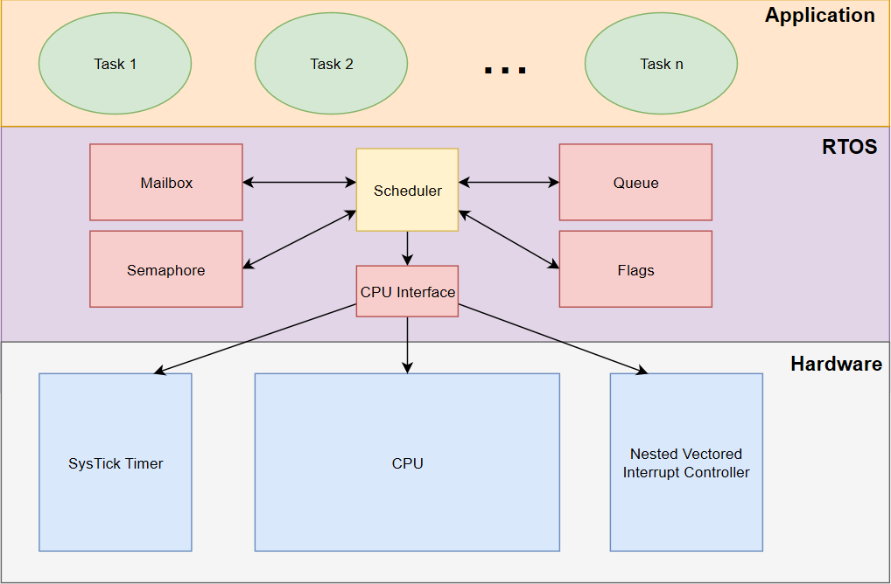

Note: CPU interface is a private module used only by scheduler.

Types: | U/S 1/2/3/4 refers to unsigned/signed data of one/two/three/four bytes.

